Specification
 |  |  |  |  |  |  |  |  |  |  |  |  | 1694
ARTICLE | IMAGE 1 | COLOR | COLOR DESCRIPTION | PRODUCT NAME | SUPPL. CATEGORY | PARENT GROUP | GENDER | BRAND | WHS | TOT. WHS | RRP | TOT. RRP | QTY | UN
K50070B005 | 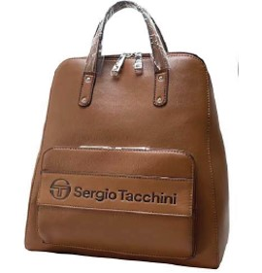 | CUO | TAN | BACKPACK | ZAINETTO GRANDE ST BRANZI CUOIO | ADULT | FEMALE | SERGIO TACCHINI | €42 | €167.6 | €117 | €469.3 | 4 | 4
K50070B005 |  | JEA | DENIM | BACKPACK | ZAINETTO GRANDE ST BRANZI CUOIO | ADULT | FEMALE | SERGIO TACCHINI | €42 | €209.5 | €117 | €586.6 | 5 | 5
K50070B005 |  | NER | BLACK | BACKPACK | ZAINETTO GRANDE ST BRANZI CUOIO | ADULT | FEMALE | SERGIO TACCHINI | €42 | €83.8 | €117 | €234.6 | 2 | 2
K50072B006 | 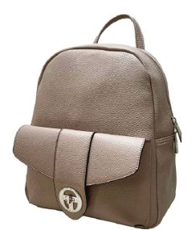 | CUO | TAN | BACKPACK | ZAINETTO MEDIO ST AVIATICO NERO | ADULT | FEMALE | SERGIO TACCHINI | €38 | €337.5 | €105 | €945.0 | 9 | 9
K50072B006 |  | NER | BLACK | BACKPACK | ZAINETTO MEDIO ST AVIATICO NERO | ADULT | FEMALE | SERGIO TACCHINI | €38 | €225.0 | €105 | €630.0 | 6 | 6
K50074B005 | 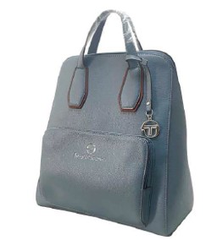 | DEN | DENIM | BACKPACK | ZAINETTO GRANDE ST CASTIONE DEN/ARA | ADULT | FEMALE | SERGIO TACCHINI | €41 | €81.8 | €115 | €229.0 | 2 | 2
K50074B005 |  | NER | BLACK | BACKPACK | ZAINETTO GRANDE ST CASTIONE DEN/ARA | ADULT | FEMALE | SERGIO TACCHINI | €41 | €245.4 | €115 | €687.1 | 6 | 6
K50076B005 | 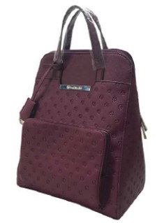 | MAR | BROWN | BACKPACK | ZAINO GRANDE ST VEDESETA VERDE | ADULT | FEMALE | SERGIO TACCHINI | €42 | €211.5 | €118 | €592.2 | 5 | 5
K50076B005 |  | NER | BLACK | BACKPACK | ZAINO GRANDE ST VEDESETA VERDE | ADULT | FEMALE | SERGIO TACCHINI | €42 | €465.3 | €118 | €1,302.8 | 11 | 11
K50076B005 |  | VER | GREEN | BACKPACK | ZAINO GRANDE ST VEDESETA VERDE | ADULT | FEMALE | SERGIO TACCHINI | €42 | €296.1 | €118 | €829.1 | 7 | 7
K50077B006 | 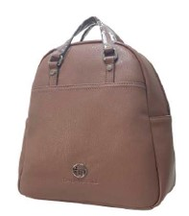 | NER | BLACK | BACKPACK | ZAINETTO MEDIO ST SCHILPARIO NERO | ADULT | FEMALE | SERGIO TACCHINI | €34 | €273.6 | €96 | €766.1 | 8 | 8
K50077B006 |  | RSS | RED | BACKPACK | ZAINETTO MEDIO ST SCHILPARIO NERO | ADULT | FEMALE | SERGIO TACCHINI | €34 | €273.6 | €96 | €766.1 | 8 | 8
K50TPMB003 | 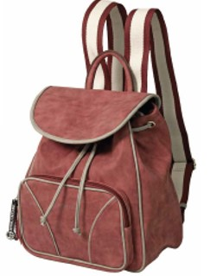 | NER | BLACK/GREY | BACKPACK | ZAINO ST GEMINI NER/GRI | ADULT | FEMALE | SERGIO TACCHINI | €40 | €240.0 | €112 | €672.0 | 6 | 6
K50TPZB001 | 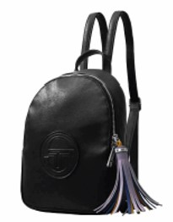 | BOR | BURGUNDY | BACKPACK | ZAINO MINI ST TINIA BORDO | ADULT | FEMALE | SERGIO TACCHINI | €32 | €189.0 | €88 | €529.2 | 6 | 6
K50TPZB001 |  | NER | BLACK | BACKPACK | ZAINO MINI ST TINIA BORDO | ADULT | FEMALE | SERGIO TACCHINI | €32 | €94.5 | €88 | €264.6 | 3 | 3
K50TQBB006 | 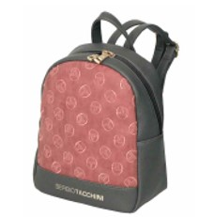 | GRI | GRE/RED | BACKPACK | ZAINETTO ST RIGER NER/GRI | ADULT | FEMALE | SERGIO TACCHINI | €33 | €65.9 | €92 | €184.5 | 2 | 2
K50TQBB006 |  | NGR | BLACK/GREY | BACKPACK | ZAINETTO ST RIGER NER/GRI | ADULT | FEMALE | SERGIO TACCHINI | €33 | €33.0 | €92 | €92.3 | 1 | 1
K50TQBB006 |  | NNE | BLACK/BLUE | BACKPACK | ZAINETTO ST RIGER NER/GRI | ADULT | FEMALE | SERGIO TACCHINI | €33 | €33.0 | €92 | €92.3 | 1 | 1
K50003B005 |  | CUO | LEATHER | BACKPACK | ZAINETTO ST OSPO | ADULT | FEMALE | SERGIO TACCHINI | €45 | €225.0 | €126 | €630.0 | 5 | 5
K50003B005 |  | NER | BLACK | BACKPACK | ZAINETTO ST OSPO | ADULT | FEMALE | SERGIO TACCHINI | €45 | €225.0 | €126 | €630.0 | 5 | 5
K50003B005 |  | PAN | WHITE | BACKPACK | ZAINETTO ST OSPO | ADULT | FEMALE | SERGIO TACCHINI | €45 | €90.0 | €126 | €252.0 | 2 | 2
K50046B003 | 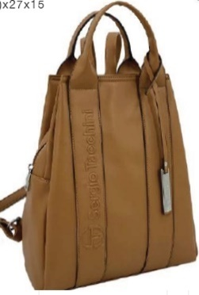 | CAM | CAMEL | BACKPACK | ZAINETTO ST LOTO | ADULT | FEMALE | SERGIO TACCHINI | €40 | €320.0 | €112 | €896.0 | 8 | 8
K50046B003 |  | PAN | WHITE | BACKPACK | ZAINETTO ST LOTO | ADULT | FEMALE | SERGIO TACCHINI | €40 | €200.0 | €112 | €560.0 | 5 | 5
K50048B003 | 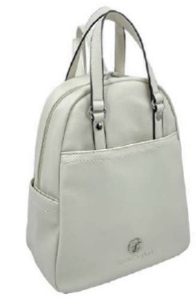 | NER | BLACK | BACKPACK | ZAINETTO ST PEONIA | ADULT | FEMALE | SERGIO TACCHINI | €42 | €966.0 | €118 | €2,704.8 | 23 | 23
K50048B003 |  | PAN | WHITE | BACKPACK | ZAINETTO ST PEONIA | ADULT | FEMALE | SERGIO TACCHINI | €42 | €966.0 | €118 | €2,704.8 | 23 | 23
K50049B003 | 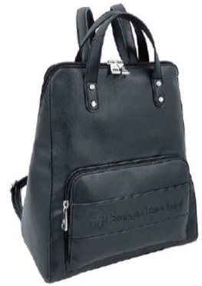 | NER | BLACK | BACKPACK | ZAINETTO ST ROSA | ADULT | FEMALE | SERGIO TACCHINI | €42 | €84.0 | €118 | €235.2 | 2 | 2
K50049B003 |  | PAN | WHITE | BACKPACK | ZAINETTO ST ROSA | ADULT | FEMALE | SERGIO TACCHINI | €42 | €252.0 | €118 | €705.6 | 6 | 6
K50051B003 | 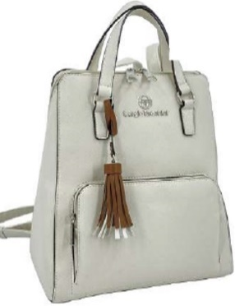 | NER | BLACK | BACKPACK | ZAINETTO ST VIOLA | ADULT | FEMALE | SERGIO TACCHINI | €35 | €700.0 | €98 | €1,960.0 | 20 | 20
K50051B003 |  | PAN | WHITE | BACKPACK | ZAINETTO ST VIOLA | ADULT | FEMALE | SERGIO TACCHINI | €42 | €588.0 | €118 | €1,646.4 | 14 | 14
K50TRSB006 | 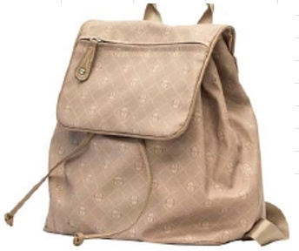 | BLU | BLU | BACKPACK | ZAINO ST VAVIN NUD/NUD | ADULT | FEMALE | SERGIO TACCHINI | €31 | €155.0 | €87 | €434.0 | 5 | 5
K50TRSB006 |  | NER | NER | BACKPACK | ZAINO ST VAVIN NUD/NUD | ADULT | FEMALE | SERGIO TACCHINI | €31 | €1,023.0 | €87 | €2,864.4 | 33 | 33
K50TRSB006 |  | NUD | NUD | BACKPACK | ZAINO ST VAVIN NUD/NUD | ADULT | FEMALE | SERGIO TACCHINI | €31 | €217.0 | €87 | €607.6 | 7 | 7
K50070B003 | 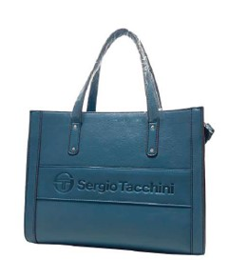 | CUO | TAN | HANDBAG | BORSA MANO MEDIA+TRAC.ASP ST BRANZI CUO | ADULT | FEMALE | SERGIO TACCHINI | €39 | €194.5 | €109 | €544.6 | 5 | 5
K50070B003 |  | JEA | DENIM | HANDBAG | BORSA MANO MEDIA+TRAC.ASP ST BRANZI CUO | ADULT | FEMALE | SERGIO TACCHINI | €39 | €155.6 | €109 | €435.7 | 4 | 4
K50070B003 |  | NER | BLACK | HANDBAG | BORSA MANO MEDIA+TRAC.ASP ST BRANZI CUO | ADULT | FEMALE | SERGIO TACCHINI | €39 | €77.8 | €109 | €217.8 | 2 | 2
K50072B003 | 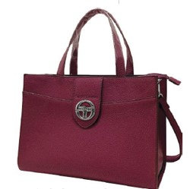 | CUO | TAN | HANDBAG | BORSA MANO MEDIA+TRAC.ASP ST AVIATICO NE | ADULT | FEMALE | SERGIO TACCHINI | €39 | €116.7 | €109 | €326.8 | 3 | 3
K50072B003 |  | NER | BLACK | HANDBAG | BORSA MANO MEDIA+TRAC.ASP ST AVIATICO NE | ADULT | FEMALE | SERGIO TACCHINI | €39 | €389.0 | €109 | €1,089.2 | 10 | 10
K50072B003 |  | TOR | TAUPE | HANDBAG | BORSA MANO MEDIA+TRAC.ASP ST AVIATICO NE | ADULT | FEMALE | SERGIO TACCHINI | €39 | €233.4 | €109 | €653.5 | 6 | 6
K50076B002 | 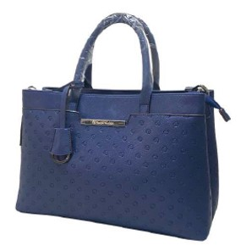 | MAR | BROWN | HANDBAG | BORSA MANO GRANDE+TRAC.ASP ST VEDESETA V | ADULT | FEMALE | SERGIO TACCHINI | €41 | €202.5 | €113 | €567.0 | 5 | 5
K50076B002 |  | VER | GREEN | HANDBAG | BORSA MANO GRANDE+TRAC.ASP ST VEDESETA V | ADULT | FEMALE | SERGIO TACCHINI | €41 | €324.0 | €113 | €907.2 | 8 | 8
K50077B002 | 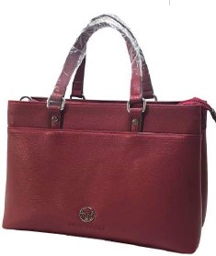 | NER | BLACK | HANDBAG | BORSA MANO GRANDE ST SCHILPARIO NERO | ADULT | FEMALE | SERGIO TACCHINI | €41 | €405.0 | €113 | €1,134.0 | 10 | 10
K50077B002 |  | RSS | RED | HANDBAG | BORSA MANO GRANDE ST SCHILPARIO NERO | ADULT | FEMALE | SERGIO TACCHINI | €41 | €445.5 | €113 | €1,247.4 | 11 | 11
K50TNQB001 | 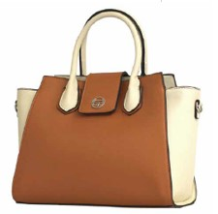 | NER | BLACK/WHITE | HANDBAG | BORSA 2MAN.GRANDE ST LADY NER/BIA | ADULT | FEMALE | SERGIO TACCHINI | €35 | €175.5 | €98 | €491.4 | 5 | 5
K50TNQB005 | 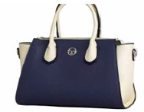 | NER | BLACK/WHITE | HANDBAG | BAULETTO+TRAC.ASP. ST LADY NER/BIA | ADULT | FEMALE | SERGIO TACCHINI | €33 | €390.0 | €91 | €1,092.0 | 12 | 12
K50030B001 | 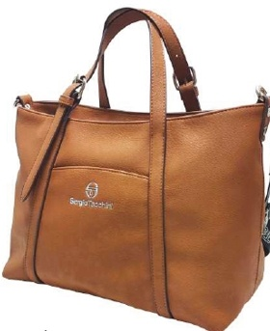 | MAR | BROWN | HANDBAG | BORSA A MANO+TRAC.ASP.ST NIGRO | ADULT | FEMALE | SERGIO TACCHINI | €34 | €68.0 | €95 | €190.4 | 2 | 2
K50030B001 |  | RSS | RED | HANDBAG | BORSA A MANO+TRAC.ASP.ST NIGRO | ADULT | FEMALE | SERGIO TACCHINI | €34 | €136.0 | €95 | €380.8 | 4 | 4
K50033B001 | 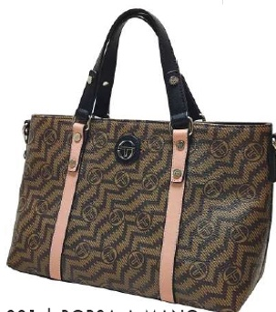 | TNE | BROWN/BLACK | HANDBAG | BORSA MANO+TRAC.ASP. ST ROLLE | ADULT | FEMALE | SERGIO TACCHINI | €31 | €124.0 | €87 | €347.2 | 4 | 4
K50049B002 | 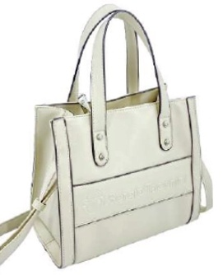 | CUO | LEATHER | HANDBAG | BORSA A MANO MINI ST ROSA | ADULT | FEMALE | SERGIO TACCHINI | €39 | €234.0 | €109 | €655.2 | 6 | 6
K50049B002 |  | GIA | YELLOW | HANDBAG | BORSA A MANO MINI ST ROSA | ADULT | FEMALE | SERGIO TACCHINI | €39 | €234.0 | €109 | €655.2 | 6 | 6
K50049B002 |  | NER | BLACK | HANDBAG | BORSA A MANO MINI ST ROSA | ADULT | FEMALE | SERGIO TACCHINI | €39 | €78.0 | €109 | €218.4 | 2 | 2
K50TFLB003 | 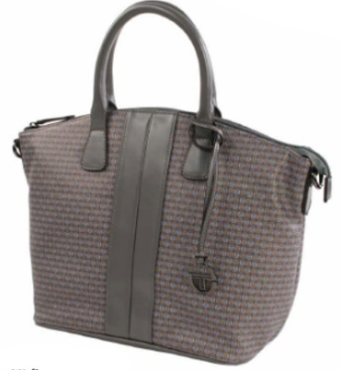 | NER | NER | HANDBAG | BAULETTO ST BRUNA SEN/RIP.SEN | ADULT | FEMALE | SERGIO TACCHINI | €42 | €705.5 | €116 | €1,975.4 | 17 | 17
K50TG8B001 |  | GIA | GIA | HANDBAG | BORSA MANO PICCOLA S HORIZONTE GIALLO | ADULT | FEMALE | SERGIO TACCHINI | €30 | €265.5 | €83 | €743.4 | 9 | 9
K50TMZB001 | 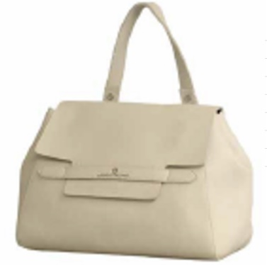 | BIA | BIA | HANDBAG | PATTA+TRAC.ASP. ST ROSE POLVERE | ADULT | FEMALE | SERGIO TACCHINI | €25 | €220.5 | €69 | €617.4 | 9 | 9
K50TMZB001 |  | POL | POL | HANDBAG | PATTA+TRAC.ASP. ST ROSE POLVERE | ADULT | FEMALE | SERGIO TACCHINI | €25 | €196.0 | €69 | €548.8 | 8 | 8
K50TMZB004 |  | BIA | BIA | HANDBAG | BORSA MONOMANICO ST ROSE POLVERE | ADULT | FEMALE | SERGIO TACCHINI | €26 | €182.0 | €73 | €509.6 | 7 | 7
K50TNEB002 | 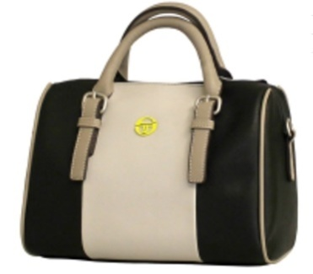 | NER | NER | HANDBAG | BAULETTO+TRAC.ASP.ST BRANDY RSS | ADULT | FEMALE | SERGIO TACCHINI | €32 | €157.5 | €88 | €441.0 | 5 | 5
K50TRSB001 | 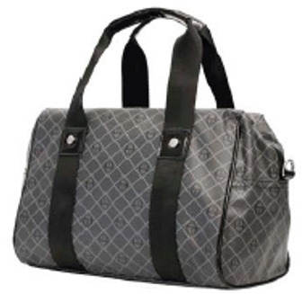 | NER | NER | HANDBAG | BAULETTO+TRAC.ASP. ST VAVIN BLU | ADULT | FEMALE | SERGIO TACCHINI | €30 | €59.4 | €83 | €166.3 | 2 | 2
K50TSVB001 | 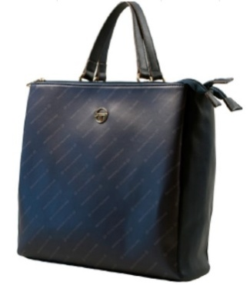 | NER | NER | HANDBAG | BORSA 2MAN+TRAC.ASP.ST GRETA NER/GRI | ADULT | FEMALE | SERGIO TACCHINI | €45 | €406.8 | €127 | €1,139.0 | 9 | 9
K50TSVB002 | 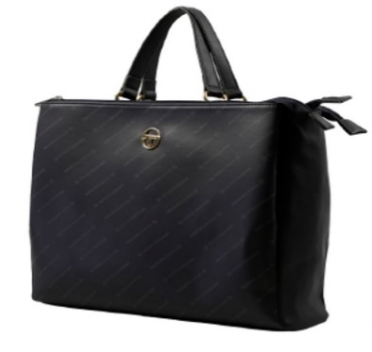 | BOR | BOR | HANDBAG | BORSA 2MAN.GRANDE ST GRETA NER/GRI | ADULT | FEMALE | SERGIO TACCHINI | €47 | €93.0 | €130 | €260.4 | 2 | 2
K50TSVB002 |  | NER | NER | HANDBAG | BORSA 2MAN.GRANDE ST GRETA NER/GRI | ADULT | FEMALE | SERGIO TACCHINI | €47 | €232.5 | €130 | €651.0 | 5 | 5
K50TLCB001 | 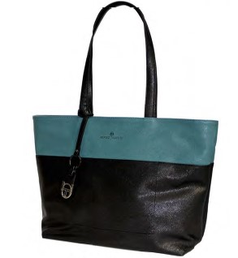 | BLU | BLUE/GREY | SHOPPING BAG | SHOPPER ST DETROIT BLU/GRI | ADULT | FEMALE | SERGIO TACCHINI | €30 | €118.0 | €83 | €330.4 | 4 | 4
K50TNQB004 | 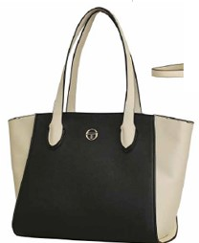 | NER | BLACK/WHITE | SHOPPING BAG | SHOPPER ST LADY NER/BIA | ADULT | FEMALE | SERGIO TACCHINI | €34 | €271.2 | €95 | €759.4 | 8 | 8
K50TPPB004 | 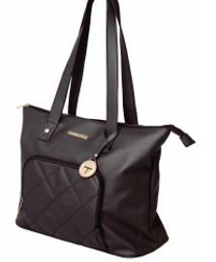 | BEI | BEIGE+BLK | SHOPPING BAG | SHOPPER ORIZ. ST MIZAR BEI/NER | ADULT | FEMALE | SERGIO TACCHINI | €34 | €34.0 | €95 | €95.2 | 1 | 1
K50TPPB004 |  | NER | BLACK+BLACK | SHOPPING BAG | SHOPPER ORIZ. ST MIZAR BEI/NER | ADULT | FEMALE | SERGIO TACCHINI | €34 | €204.0 | €95 | €571.2 | 6 | 6
K50TPPB005 | 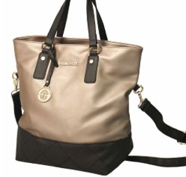 | BEI | BEIGE+BLK | SHOPPING BAG | SHOPPER VERT. ST MIZAR BEI/NER | ADULT | FEMALE | SERGIO TACCHINI | €35 | €34.5 | €97 | €96.6 | 1 | 1
K50TQBB001 | 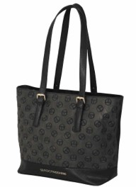 | NBL | BLACK/BLUE | SHOPPING BAG | SHOPPER ST RIGER NER/BLU | ADULT | FEMALE | SERGIO TACCHINI | €41 | €163.6 | €115 | €458.1 | 4 | 4
K50TQCB004 | 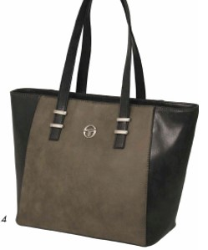 | NNE | BLACK | SHOPPING BAG | SHOPPER ST TALIA NER/NER | ADULT | FEMALE | SERGIO TACCHINI | €38 | €113.7 | €106 | €318.4 | 3 | 3
K50TRQB002 | 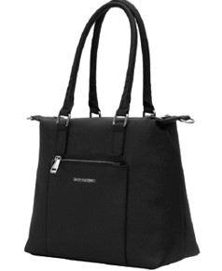 | RSS | RED | SHOPPING BAG | SHOPPER VERT.ST BOURSE ROSSO | ADULT | FEMALE | SERGIO TACCHINI | €39 | €270.9 | €108 | €758.5 | 7 | 7
K50TRRB002 | 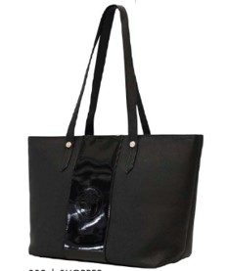 | RSS | RED | SHOPPING BAG | SHOPPER ST ODEON ROSSO | ADULT | FEMALE | SERGIO TACCHINI | €37 | €221.4 | €103 | €619.9 | 6 | 6
K50TVDB001 | 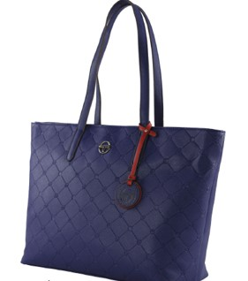 | RSS | RED/NAV | SHOPPING BAG | SHOPPER ST OCRA RSS/NAV | ADULT | FEMALE | SERGIO TACCHINI | €34 | €68.0 | €95 | €190.4 | 2 | 2
K50TVLB002 | 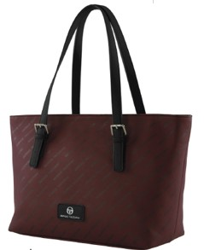 | BLU | BLUE/BLK | SHOPPING BAG | SHOPPER ST MENTA BLU/NER | ADULT | FEMALE | SERGIO TACCHINI | €39 | €269.5 | €108 | €754.6 | 7 | 7
K50001B001 | 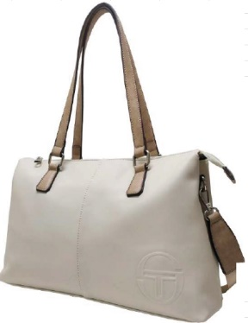 | CUO | LEATHER | SHOPPING BAG | SHOPPING 2SCOMP.+TRAC.ASP. ST ISONZO | ADULT | FEMALE | SERGIO TACCHINI | €46 | €138.0 | €129 | €386.4 | 3 | 3
K50001B001 |  | DEN | DEN | SHOPPING BAG | SHOPPING 2SCOMP.+TRAC.ASP. ST ISONZO | ADULT | FEMALE | SERGIO TACCHINI | €46 | €138.0 | €129 | €386.4 | 3 | 3
K50001B001 |  | PAN | WHITE | SHOPPING BAG | SHOPPING 2SCOMP.+TRAC.ASP. ST ISONZO | ADULT | FEMALE | SERGIO TACCHINI | €46 | €92.0 | €129 | €257.6 | 2 | 2
K50051B001 | 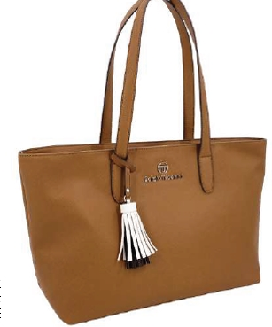 | NER | BLACK | SHOPPING BAG | SHOPPING ST VIOLA | ADULT | FEMALE | SERGIO TACCHINI | €35 | €700.0 | €98 | €1,960.0 | 20 | 20
K50051B001 |  | PAN | WHITE | SHOPPING BAG | SHOPPING ST VIOLA | ADULT | FEMALE | SERGIO TACCHINI | €35 | €490.0 | €98 | €1,372.0 | 14 | 14
K50TFLB002 | 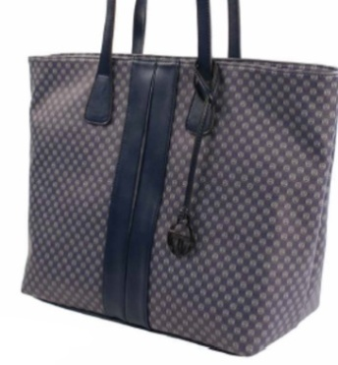 | NER | NER | SHOPPING BAG | SHOPPING ST BRUNA SEN/RIP.SEN | ADULT | FEMALE | SERGIO TACCHINI | €39 | €273.0 | €109 | €764.4 | 7 | 7
K50TG8B002 | 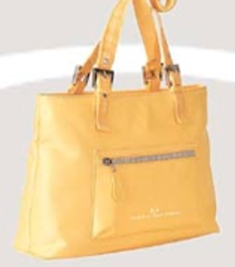 | GIA | GIA | SHOPPING BAG | SHOPPING GRANDE ST HORIZONTE GIALLO | ADULT | FEMALE | SERGIO TACCHINI | €37 | €328.5 | €102 | €919.8 | 9 | 9
K50TMZB002 | 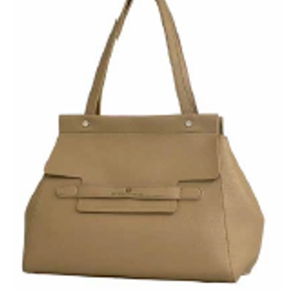 | BIA | BIA | SHOPPING BAG | SHOPPER ST ROSE ROSSO | ADULT | FEMALE | SERGIO TACCHINI | €25 | €125.0 | €70 | €350.0 | 5 | 5
K50TMZB002 |  | POL | POL | SHOPPING BAG | SHOPPER ST ROSE ROSSO | ADULT | FEMALE | SERGIO TACCHINI | €25 | €375.0 | €70 | €1,050.0 | 15 | 15
K50TMZB002 |  | RSS | RSS | SHOPPING BAG | SHOPPER ST ROSE ROSSO | ADULT | FEMALE | SERGIO TACCHINI | €25 | €75.0 | €70 | €210.0 | 3 | 3
K50TNEB001 | 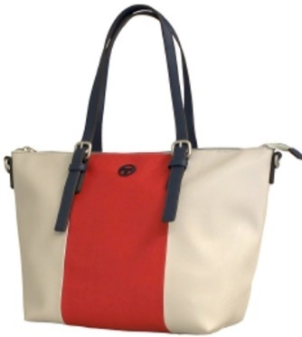 | BLU | BLU | SHOPPING BAG | SHOPPER+TRAC.ASP.ST BRANDY GRP | ADULT | FEMALE | SERGIO TACCHINI | €30 | €265.5 | €83 | €743.4 | 9 | 9
K50TNEB001 |  | GRP | GRP | SHOPPING BAG | SHOPPER+TRAC.ASP.ST BRANDY GRP | ADULT | FEMALE | SERGIO TACCHINI | €30 | €88.5 | €83 | €247.8 | 3 | 3
K50TNEB001 |  | NER | NER | SHOPPING BAG | SHOPPER+TRAC.ASP.ST BRANDY GRP | ADULT | FEMALE | SERGIO TACCHINI | €30 | €118.0 | €83 | €330.4 | 4 | 4
K50TNEB001 |  | RSS | RSS | SHOPPING BAG | SHOPPER+TRAC.ASP.ST BRANDY GRP | ADULT | FEMALE | SERGIO TACCHINI | €30 | €88.5 | €83 | €247.8 | 3 | 3
K50TRSB003 | 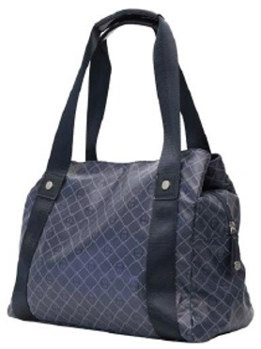 | BLU | BLU | SHOPPING BAG | SHOPPER ST VAVIN NER | ADULT | FEMALE | SERGIO TACCHINI | €30 | €236.0 | €83 | €660.8 | 8 | 8
K50TRSB003 |  | NER | NER | SHOPPING BAG | SHOPPER ST VAVIN NER | ADULT | FEMALE | SERGIO TACCHINI | €30 | €59.0 | €83 | €165.2 | 2 | 2
K50TRSB003 |  | NUD | NUD | SHOPPING BAG | SHOPPER ST VAVIN NER | ADULT | FEMALE | SERGIO TACCHINI | €30 | €88.5 | €83 | €247.8 | 3 | 3
K50TUGB002 | 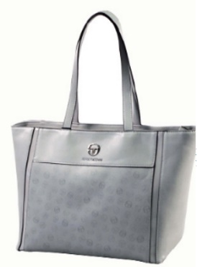 | GRI | GRI | SHOPPING BAG | SHOPPER ST VISIA GRIGIO | ADULT | FEMALE | SERGIO TACCHINI | €38 | €76.0 | €106 | €212.8 | 2 | 2
K50072B016 |  | NER | BLACK | SHOULDER BAG | PATTINA ST AVIATICO NERO | ADULT | FEMALE | SERGIO TACCHINI | €35 | €209.7 | €98 | €587.2 | 6 | 6
K50072B016 |  | TOR | TAUPE | SHOULDER BAG | PATTINA ST AVIATICO NERO | ADULT | FEMALE | SERGIO TACCHINI | €35 | €139.8 | €98 | €391.4 | 4 | 4
K50074B003 | 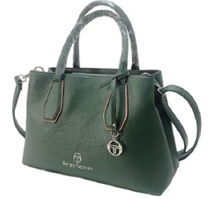 | NER | BLACK | SHOULDER BAG | BORSA MANO MEDIA+TRAC.ASP ST CASTIONE NE | ADULT | FEMALE | SERGIO TACCHINI | €39 | €192.5 | €108 | €539.0 | 5 | 5
K50076B009 |  | MAR | BROWN | SHOULDER BAG | CAMERA BAG ST VEDESETA VERDE | ADULT | FEMALE | SERGIO TACCHINI | €33 | €227.5 | €91 | €637.0 | 7 | 7
K50076B009 |  | NER | BLACK | SHOULDER BAG | CAMERA BAG ST VEDESETA VERDE | ADULT | FEMALE | SERGIO TACCHINI | €33 | €195.0 | €91 | €546.0 | 6 | 6
K50076B009 |  | VER | GREEN | SHOULDER BAG | CAMERA BAG ST VEDESETA VERDE | ADULT | FEMALE | SERGIO TACCHINI | €33 | €260.0 | €91 | €728.0 | 8 | 8
K50077B004 | 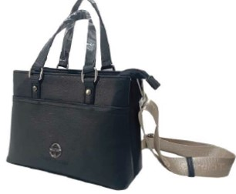 | NER | BLACK | SHOULDER BAG | BORSA MANO MINI ST SCHILPARIO NERO | ADULT | FEMALE | SERGIO TACCHINI | €37 | €73.8 | €103 | €206.6 | 2 | 2
K50077B004 |  | RSS | RED | SHOULDER BAG | BORSA MANO MINI ST SCHILPARIO NERO | ADULT | FEMALE | SERGIO TACCHINI | €37 | €110.7 | €103 | €310.0 | 3 | 3
K50077B009 | 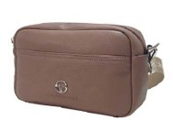 | NER | BLACK | SHOULDER BAG | CAMERA BAG ST SCHILPARIO ROSSO | ADULT | FEMALE | SERGIO TACCHINI | €31 | €186.0 | €87 | €520.8 | 6 | 6
K50077B009 |  | RSS | RED | SHOULDER BAG | CAMERA BAG ST SCHILPARIO ROSSO | ADULT | FEMALE | SERGIO TACCHINI | €31 | €248.0 | €87 | €694.4 | 8 | 8
K50077B016 |  | NER | BLACK | SHOULDER BAG | PATTINA ST SCHILPARIO ROSSO | ADULT | FEMALE | SERGIO TACCHINI | €35 | €276.0 | €97 | €772.8 | 8 | 8
K50077B016 |  | RSS | RED | SHOULDER BAG | PATTINA ST SCHILPARIO ROSSO | ADULT | FEMALE | SERGIO TACCHINI | €35 | €276.0 | €97 | €772.8 | 8 | 8
K50TLAB003 | 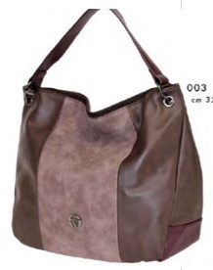 | BLU | BLUE | SHOULDER BAG | SACCA ST TOPEKA BLU/BLU/AN | ADULT | FEMALE | SERGIO TACCHINI | €30 | €118.0 | €83 | €330.4 | 4 | 4
K50TLCB003 |  | ANT | ANTHRAZIT/PINK | SHOULDER BAG | TRACOLLA ST DETROIT ANT/RSA | ADULT | FEMALE | SERGIO TACCHINI | €25 | €99.6 | €70 | €278.9 | 4 | 4
K50TNQB003 |  | TOR | TAUPE/WHITE | SHOULDER BAG | PATTINA ST LADY TOR/BIA | ADULT | FEMALE | SERGIO TACCHINI | €31 | €244.0 | €85 | €683.2 | 8 | 8
K50TPGB001 |  | NER | BLACK | SHOULDER BAG | BORSA 2MAN+TRAC.ASP ST ATENA NERO | ADULT | FEMALE | SERGIO TACCHINI | €30 | €59.0 | €83 | €165.2 | 2 | 2
K50TQBB002 |  | NBL | BLACK/BLUE | SHOULDER BAG | BORSA 2MAN+TRAC.ASP. ST RIGER NER/BLU | ADULT | FEMALE | SERGIO TACCHINI | €45 | €44.5 | €125 | €124.6 | 1 | 1
K50TVDB003 |  | RSS | RED/NAVY | SHOULDER BAG | BORSA MANO+TRAC.ASP. ST OCRA RSS/NAV | ADULT | FEMALE | SERGIO TACCHINI | €39 | €115.5 | €108 | €323.4 | 3 | 3
K50TVLB004 |  | BOR | BURGUNDY/BLK | SHOULDER BAG | TRACOLLINA ST MENTA BOR/NER | ADULT | FEMALE | SERGIO TACCHINI | €35 | €139.6 | €98 | €390.9 | 4 | 4
K50001B003 |  | CUO | LEATHER | SHOULDER BAG | TRACOLLINA 2SCOMP. ST ISONZO | ADULT | FEMALE | SERGIO TACCHINI | €45 | €225.0 | €126 | €630.0 | 5 | 5
K50001B003 |  | NER | BLACK | SHOULDER BAG | TRACOLLINA 2SCOMP. ST ISONZO | ADULT | FEMALE | SERGIO TACCHINI | €45 | €270.0 | €126 | €756.0 | 6 | 6
K50001B003 |  | PAN | WHITE | SHOULDER BAG | TRACOLLINA 2SCOMP. ST ISONZO | ADULT | FEMALE | SERGIO TACCHINI | €45 | €270.0 | €126 | €756.0 | 6 | 6
K50001B003 |  | RSS | RED | SHOULDER BAG | TRACOLLINA 2SCOMP. ST ISONZO | ADULT | FEMALE | SERGIO TACCHINI | €45 | €225.0 | €126 | €630.0 | 5 | 5
K50050B001 |  | BEI | BEIGE/BLACK | SHOULDER BAG | BORSA MANO+TRAC.ASP.ST SILENA | ADULT | FEMALE | SERGIO TACCHINI | €43 | €86.0 | €120 | €240.8 | 2 | 2
K50050B001 |  | BIA | WHITE/BEIGE | SHOULDER BAG | BORSA MANO+TRAC.ASP.ST SILENA | ADULT | FEMALE | SERGIO TACCHINI | €43 | €344.0 | €120 | €963.2 | 8 | 8
K50050B004 |  | BIA | WHITE/BEIGE | SHOULDER BAG | CAMERA BAG ST | ADULT | FEMALE | SERGIO TACCHINI | €31 | €186.0 | €87 | €520.8 | 6 | 6
K50TG8B004 |  | BEI | BEI | SHOULDER BAG | SOTTOBRACCIO PICCOLA ST HORIZONTE BEIGE | ADULT | FEMALE | SERGIO TACCHINI | €25 | €75.6 | €71 | €211.7 | 3 | 3
K50TG8B004 |  | GIA | GIA | SHOULDER BAG | SOTTOBRACCIO PICCOLA ST HORIZONTE BEIGE | ADULT | FEMALE | SERGIO TACCHINI | €25 | €252.0 | €71 | €705.6 | 10 | 10
K50TG8B005 |  | AZZ | AZZ | SHOULDER BAG | SOTTOBRACCIO SAGOMATA ST HORIZONTE | ADULT | FEMALE | SERGIO TACCHINI | €26 | €26.1 | €73 | €73.1 | 1 | 1
K50TG8B005 |  | GIA | GIA | SHOULDER BAG | SOTTOBRACCIO SAGOMATA ST HORIZONTE | ADULT | FEMALE | SERGIO TACCHINI | €26 | €208.8 | €73 | €584.6 | 8 | 8
K50TMZB005 |  | POL | POL | SHOULDER BAG | SACCA ST ROSE POLVERE | ADULT | FEMALE | SERGIO TACCHINI | €26 | €182.0 | €73 | €509.6 | 7 | 7
K50003B003 |  | AZZ | SKY BLUE | CROSSBODY BAG | SACCA MEZZALUNA ST OSPO | ADULT | FEMALE | SERGIO TACCHINI | €42 | €210.0 | €118 | €588.0 | 5 | 5
K50003B003 |  | CUO | LEATHER | CROSSBODY BAG | SACCA MEZZALUNA ST OSPO | ADULT | FEMALE | SERGIO TACCHINI | €42 | €252.0 | €118 | €705.6 | 6 | 6
K50003B003 |  | NER | BLACK | CROSSBODY BAG | SACCA MEZZALUNA ST OSPO | ADULT | FEMALE | SERGIO TACCHINI | €42 | €210.0 | €118 | €588.0 | 5 | 5
K50003B003 |  | PAN | WHITE | CROSSBODY BAG | SACCA MEZZALUNA ST OSPO | ADULT | FEMALE | SERGIO TACCHINI | €42 | €210.0 | €118 | €588.0 | 5 | 5
K50003B004 |  | AZZ | SKY BLUE | CROSSBODY BAG | TRACOLLINA ST OSPO | ADULT | FEMALE | SERGIO TACCHINI | €37 | €185.0 | €104 | €518.0 | 5 | 5
K50003B004 |  | CUO | LEATHER | CROSSBODY BAG | TRACOLLINA ST OSPO | ADULT | FEMALE | SERGIO TACCHINI | €37 | €222.0 | €104 | €621.6 | 6 | 6
K50003B004 |  | NER | BLACK | CROSSBODY BAG | TRACOLLINA ST OSPO | ADULT | FEMALE | SERGIO TACCHINI | €37 | €222.0 | €104 | €621.6 | 6 | 6
K50003B004 |  | PAN | WHITE | CROSSBODY BAG | TRACOLLINA ST OSPO | ADULT | FEMALE | SERGIO TACCHINI | €37 | €185.0 | €104 | €518.0 | 5 | 5
K50010B004 |  | ARG | SILVER | CROSSBODY BAG | TRACOLLA 2ZIP ST TIRSO | ADULT | FEMALE | SERGIO TACCHINI | €25 | €75.0 | €70 | €210.0 | 3 | 3
K50010B005 |  | BLU | BLUE | CROSSBODY BAG | TRACOLLA 2TASCHE FRONTALI ST TIRSO | ADULT | FEMALE | SERGIO TACCHINI | €31 | €62.0 | €87 | €173.6 | 2 | 2
K50010B005 |  | NER | BLACK | CROSSBODY BAG | TRACOLLA 2TASCHE FRONTALI ST TIRSO | ADULT | FEMALE | SERGIO TACCHINI | €31 | €93.0 | €87 | €260.4 | 3 | 3
K50010B006 |  | BLU | BLUE | CROSSBODY BAG | HOBO CON ZIP ST TIRSO | ADULT | FEMALE | SERGIO TACCHINI | €27 | €27.0 | €76 | €75.6 | 1 | 1
K50048B001 |  | GIA | YELLOW | CROSSBODY BAG | PATTINA ST PEONIA | ADULT | FEMALE | SERGIO TACCHINI | €33 | €660.0 | €92 | €1,848.0 | 20 | 20
K50048B001 |  | NER | BLACK | CROSSBODY BAG | PATTINA ST PEONIA | ADULT | FEMALE | SERGIO TACCHINI | €33 | €3,069.0 | €92 | €8,593.2 | 93 | 93
K50048B001 |  | PAN | WHITE | CROSSBODY BAG | PATTINA ST PEONIA | ADULT | FEMALE | SERGIO TACCHINI | €33 | €2,442.0 | €92 | €6,837.6 | 74 | 74
K50048B001 |  | TOR | PEONIA TORTORA | CROSSBODY BAG | PATTINA ST PEONIA | ADULT | FEMALE | SERGIO TACCHINI | €33 | €990.0 | €92 | €2,772.0 | 30 | 30
K50048B002 |  | GIA | YELLOW | CROSSBODY BAG | CAMERA BAG ST PEONIA | ADULT | FEMALE | SERGIO TACCHINI | €30 | €870.0 | €84 | €2,436.0 | 29 | 29
K50048B002 |  | NER | BLACK | CROSSBODY BAG | CAMERA BAG ST PEONIA | ADULT | FEMALE | SERGIO TACCHINI | €30 | €3,000.0 | €84 | €8,400.0 | 100 | 100
K50048B002 |  | PAN | WHITE | CROSSBODY BAG | CAMERA BAG ST PEONIA | ADULT | FEMALE | SERGIO TACCHINI | €30 | €3,000.0 | €84 | €8,400.0 | 100 | 100
K50048B002 |  | TOR | PEONIA TORTORA | CROSSBODY BAG | CAMERA BAG ST PEONIA | ADULT | FEMALE | SERGIO TACCHINI | €30 | €570.0 | €84 | €1,596.0 | 19 | 19
K50048B004 |  | GIA | YELLOW | CROSSBODY BAG | BORSA A MANO MINI ST PEONIA | ADULT | FEMALE | SERGIO TACCHINI | €39 | €1,170.0 | €109 | €3,276.0 | 30 | 30
K50048B004 |  | NER | BLACK | CROSSBODY BAG | BORSA A MANO MINI ST PEONIA | ADULT | FEMALE | SERGIO TACCHINI | €39 | €1,950.0 | €109 | €5,460.0 | 50 | 50
K50048B004 |  | PAN | WHITE | CROSSBODY BAG | BORSA A MANO MINI ST PEONIA | ADULT | FEMALE | SERGIO TACCHINI | €39 | €3,120.0 | €109 | €8,736.0 | 80 | 80
K50048B004 |  | TOR | PEONIA TORTORA | CROSSBODY BAG | BORSA A MANO MINI ST PEONIA | ADULT | FEMALE | SERGIO TACCHINI | €39 | €780.0 | €109 | €2,184.0 | 20 | 20
K50048B005 |  | GIA | YELLOW | CROSSBODY BAG | BORSA A MANO ST PEONIA | ADULT | FEMALE | SERGIO TACCHINI | €43 | €817.0 | €120 | €2,287.6 | 19 | 19
K50048B005 |  | NER | BLACK | CROSSBODY BAG | BORSA A MANO ST PEONIA | ADULT | FEMALE | SERGIO TACCHINI | €43 | €602.0 | €120 | €1,685.6 | 14 | 14
K50048B005 |  | PAN | WHITE | CROSSBODY BAG | BORSA A MANO ST PEONIA | ADULT | FEMALE | SERGIO TACCHINI | €43 | €602.0 | €120 | €1,685.6 | 14 | 14
K50051B005 |  | NER | BLACK | CROSSBODY BAG | HOBO 2TRACOLLE ST VIOLA | ADULT | FEMALE | SERGIO TACCHINI | €35 | €805.0 | €98 | €2,254.0 | 23 | 23
K50051B005 |  | PAN | WHITE | CROSSBODY BAG | HOBO 2TRACOLLE ST VIOLA | ADULT | FEMALE | SERGIO TACCHINI | €35 | €805.0 | €98 | €2,254.0 | 23 | 23
K50054B003 |  | BRO | BRONZE | CROSSBODY BAG | TRACOLLINA PIATTA ST NARCISO | ADULT | FEMALE | SERGIO TACCHINI | €17 | €102.0 | €48 | €285.6 | 6 | 6
K50054B003 |  | SAB | SAND | CROSSBODY BAG | TRACOLLINA PIATTA ST NARCISO | ADULT | FEMALE | SERGIO TACCHINI | €17 | €102.0 | €48 | €285.6 | 6 | 6
K50054B005 |  | BRO | BRONZE | CROSSBODY BAG | TRACOLLA 2TASCHE FRONT.ST NARCISO | ADULT | FEMALE | SERGIO TACCHINI | €27 | €81.0 | €76 | €226.8 | 3 | 3
K50054B005 |  | NAV | NAVY | CROSSBODY BAG | TRACOLLA 2TASCHE FRONT.ST NARCISO | ADULT | FEMALE | SERGIO TACCHINI | €27 | €81.0 | €76 | €226.8 | 3 | 3
...

